Sheet1
TC ID | Bug ID | Title | Prerequisites | Steps | Expected results | Actual Results | Test Environment | Priority | Severity | Status | Assign to | Attachement
TC-15 | 1 | ISBN accepts invalid format (characters) during books adding | LMS is accessible, database connection active | INSERT INTO books (book_title, book_author, book_category, book_ISBN, book_publish_year, book_quantity) VALUES ('The Art of Cooking', 'Julia Child', 'Cooking', '974sdadsa', 1999, 10); SELECT * FROM books; | LMS shows an error message Book is not added to the database | Book is added to the database with invalid ISBN | Dev. Windows 11 Ethernet connection | High | High | New | Dev. Team
TC-18 | 2 | Full Name field accepts numbers during member registration |  | INSERT INTO members (full_name, email, phone) VALUES ('Ahmed Adel', 'ahmdgaexamplecom', '01116134576'); SELECT * FROM members; | LMS shows an error message Member is not added to the database. | Member is added to the database with invalid Full Name |  | High | Medium | New | Dev. Team | 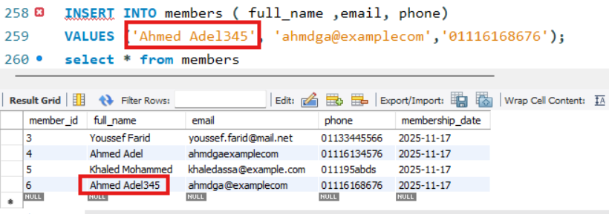
TC-19 | 3 | Email field accepts invalid format during member registration |  | INSERT INTO members (full_name, email, phone) VALUES ('Ahmed Adel', 'ahmdgaexamplecom', '01116134576'); SELECT * FROM members; | LMS shows an error message Member is not added to the database. | Member is added to the database with invalid email format. |  | High | Medium | New | Dev. Team | 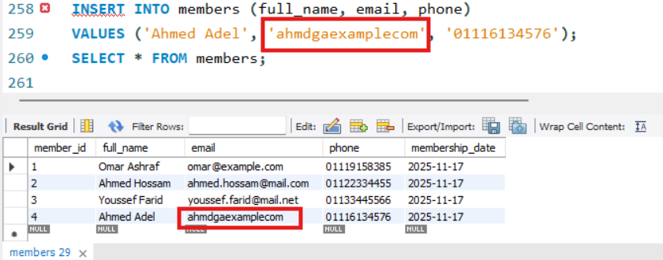
TC-20 | 4 | Phone field accepts letters during member registration |  | INSERT INTO members ( full_name ,email, phone) VALUES ('Khaled Mohammed', 'khaledassa@example.com','011195abds'); select * from members | LMS shows an error message Member is not added to the database. | Member is successfully added to the database despite letters in the phone number. |  | High | Medium | New | Dev. Team

